DEAC Instructional Guidance
Educational Offerings Information Sheet

DEAC utilizes this sheet to upload the educational offerings information in to our database system. Please note, program names should be consistent across all regulatory agencies. Should you require assistance preparing the Educational Offerings Information Sheet, please contact Lissette Hubbard at 202-234-5100 Extension 105 or at lissette.hubbard@deac.org.

The Educational Offerings Information Sheet consists of four tabs developed to capture an overview of your institution's educational offering.

Please do not modify the any formatting or headings.

 | 1. DEAC Instructional Guidance Tab

 | 2. Programs Tab: This tab captures a general overview of all of the programs offered by the institution.

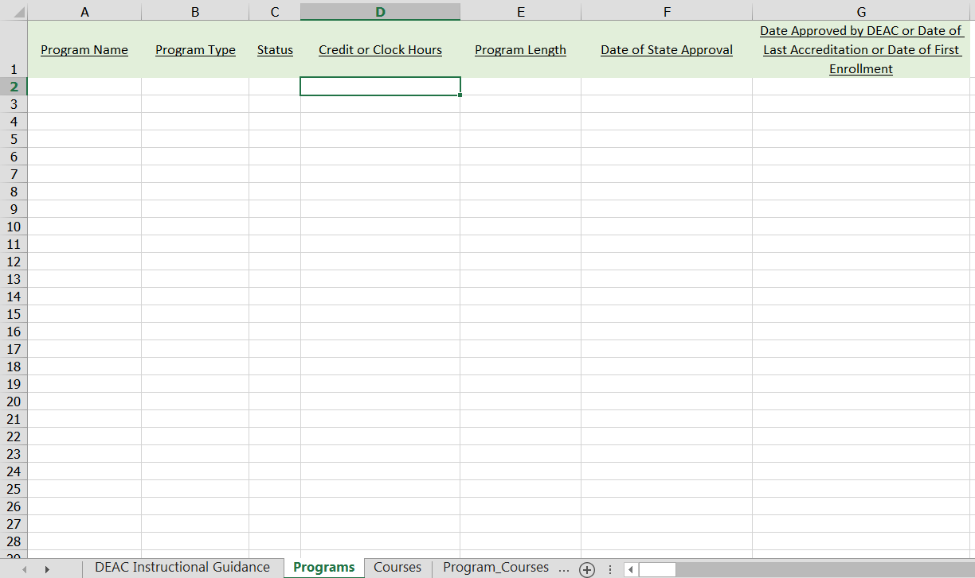

 |  | Column Information

 |  | Program Name: | Please enter program name using the following format, Bachelor of Science in Accounting.
 |  |  | Program names should not be abbreviated.

 |  | Program Type: | Select from the dropdown menu.

 |  | Status: | Select from the dropdown menu.

 |  | Credit or Clock: | Enter total number of credit or clock hours to complete the program.

 |  | Program Length: | Enter the length of time it takes to complete program (months or year)

 |  | Date of State Approval: | Enter date of approval by state of domicile using this format, MM/DD/YYYY

 |  | Date Approved by DEAC or Date of Last Accreditation or Date of First Enrollment | Initial Applicants will enter date of first enrollment using this format, MM/DD/YYYY
 |  |  | Reneal of Accreditation Applicants will enter most recent date of approval
 |  |  | for program/course using this format, MM/DD/YYYY

 | 3. Courses Tab: This section collects information on all courses offered by the institution.

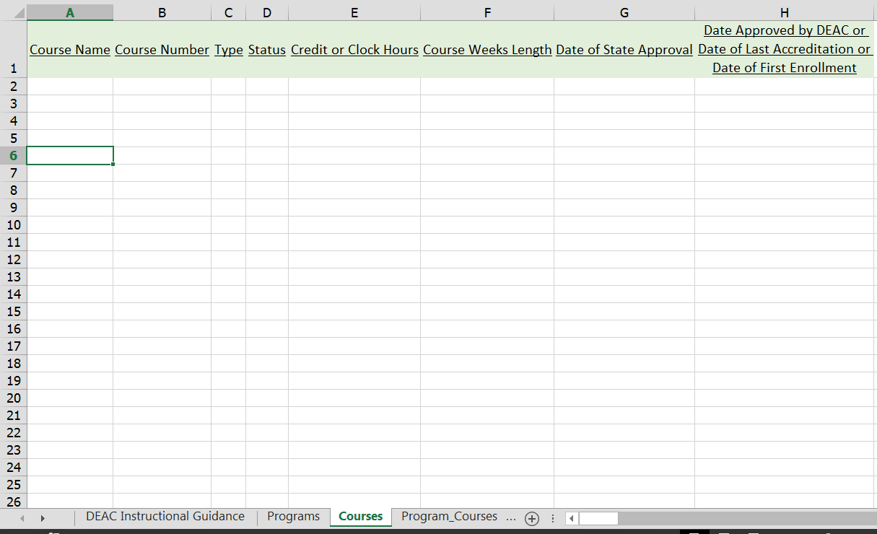

 |  | Column Information

 |  | Course Name: | Enter every course per degree program.

 |  | Course Number: | Enter every corresponding course code for course.

 |  | Type: | Select from dropdown menu.

 |  | Status: | Select from dropdown menu.

 |  | Credit or Clock Hours: | Enter number of credit or clock hours to complete the course.

 |  | Course Weeks Length: | Enter course length in terms of weeks.

 |  | Date of State Approval: | Enter date of State Approval (if applicable) using this format, MM/DD/YYYY

 |  | Date Approved by DEAC or Date of Last Accreditation or Date of First Enrollment: | Initial Applicants will enter date of first enrollment using this format, MM/DD/YYYY
 |  |  | Reneal of Accreditation Applicants will enter most recent date of approval
 |  |  | for program/course using this format, MM/DD/YYYY

 | 4. Program_Courses Tab: This sheet is used to align courses to the appropriate programs.

 |  | Column Information

 |  | Program Name: | Select from dropdown menu

 |  | Course Name: | Assign each course to the corresponding program.
 |  |  | Please note, each course must be assigned a program in the previous cell.

 |  | Program Course Type: | Select from dropdown the type of course type within each program.

 |  | Program Course Status: | Select from dropdown menu.

